User Guide
South Australia Hydrogen and Renewable Energy Restoration Cost Estimation Tool
Return to Information

USER GUIDE

Tool Overview

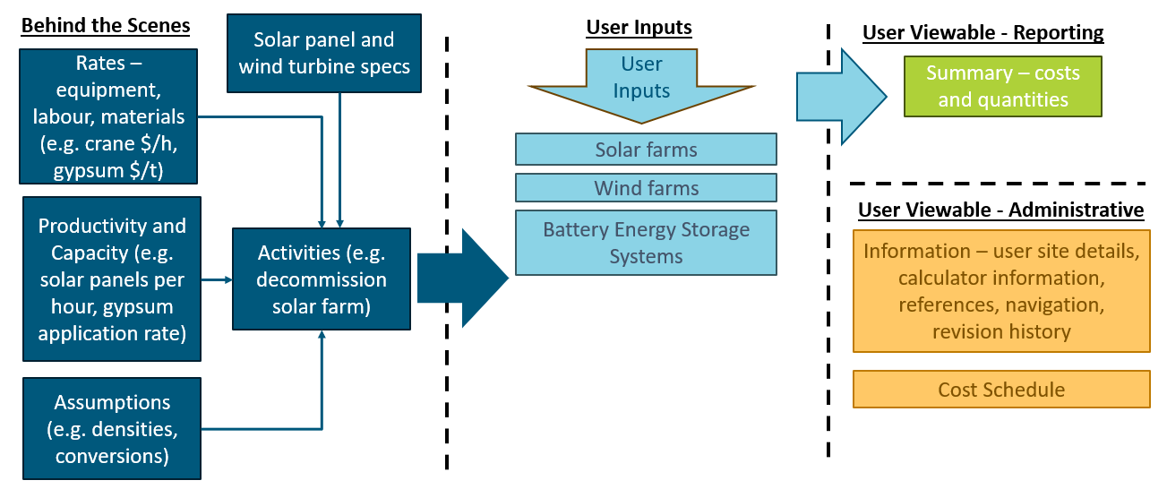
This graphic shows the general architecture of the calculator. The calculation method is a "bottom-up first principles" approach whereby easy to understand basic quantities (such as hourly rate for a crane) are combined with productivity and other assumptions to build activity rates (e.g. remove a solar panel). The activity rates are combined with user input quantities to estimate the cost for an activity and the activity costs are summed for each project.

How to Use: Sequence of Steps

The tool has significant flexibility in how it is used. The steps below are one suggested way to create an estimate:
Link |  | # | Step instruction
Information |  | 1 | Review the Terms and Conditions in this sheet.
Information |  | 2 | Ensure you understand the purpose, scope and limitations of the calculator.
Information |  | 3 | Enter company name and project site(s) and any general notes.
Solar |  | 4 | Go to the input sheet of the plant type (solar, wind, BESS, green hydrogen, blue hydrogen) you wish to estimate.
Wind |  |  | Enter the quantities to the top left hand side of the sheet, as shown below.
BESS

 |  |  | You can enter quantities for one site/scenario at a time.
 |  | 5 | As you progress through the input sheet there will be other green cells that you can enter values into along the left hand side of the sheet, as shown below.

 |  | 6 | Many quantity entries have an associated drop-down selection as shown below.

 |  | 7 | The calculator populates the appropriate values based on the selections.
 |  | 8 | If you wish to enter a user rate to over-ride the default calculator rate, enter your rate
 |  |  | as shown below.

 |  | 9 | If you are adding multiple types of plants, continue onto the next input sheet (solar, wind, BESS, green H2, blue H2)
 |  |  | and repeat the process.
Summary |  | 10 | Go to the Summary page to view the total costs of the site/scenarios that were established in the input sheets.
Information |  | 11 | There are several reference sheets and the use is shown in the Information tab.
 |  | 12 | Users can enter details for their own equipment in the Panels, Turbines, Batteries, Electrolysers sheets and these will
 |  |  | then be available for selection in the input sheets, as shown below.

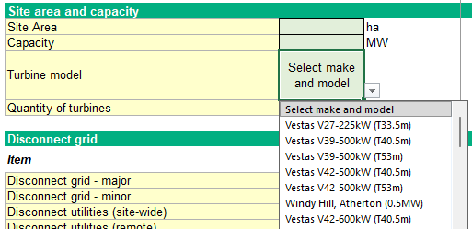
 |  |  | e.g., Wind Turbine Selection
 |  |  | .

How to Use: Input Sheet
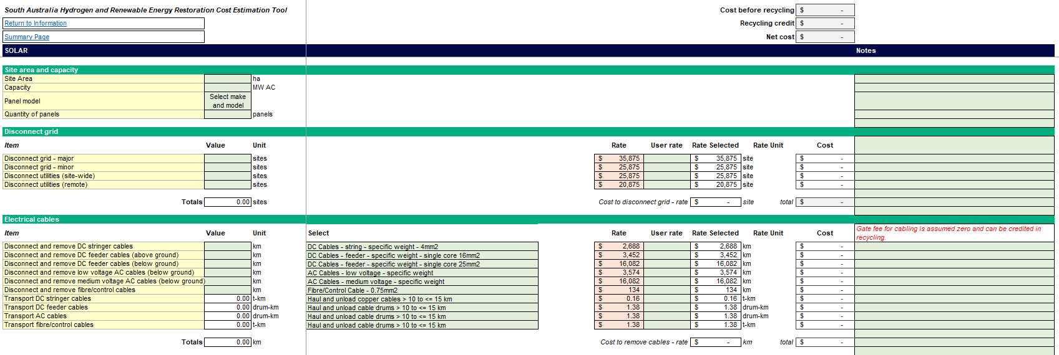
Total cost of all elements in the input sheet showing total before recycling, recycling, and total with recycling included

Live User-entered project quantities used in calculations

Space for Users to enter explanatory notes to aid understanding / state assumptions / explain any changes from last estimate

Quantity totals for each element
Default (orange) and User (green) rates - User rates override default rates
Dropdown selections for Users to set
Cells for User to enter project specific rate
Cost per unit
Total cost of element

Summary Sheet

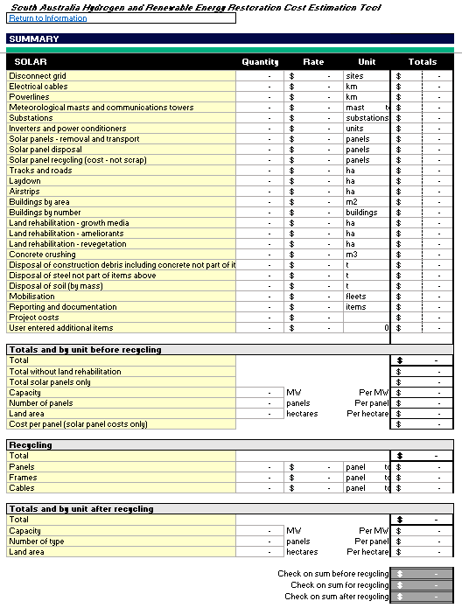

Totals feed in from input sheets

Rates Sheet

Cells for Users to enter project specific unit cost rates
Default unit rates

General Information
1 | Quanitities are never expected to be entered twice. Where there are more than one table for an activity, for example buildings by area and buildings by number, the User enters quantities for a specific building to one table only. The intent of the two tables is to provide flexibility. For example if a User
 | has limited building information, they may chose to enter the by number table. Users can enter to both tables but must not enter the same building to both tables.

